BagReport
 |  | Эльдорадо: www.eldorado.ru
 |  |  |  |  |  | BAG REPORT |  |  |  | х |  | Windows |  |  | macOS |  | Mobile
ID | Module | Title / Purpose | Severity | Priority | Prerequisites | Instruction / Steps to reproduce | Expected Result | Actual Result | Attachment | Pass / Fail | Bug # | Chrome | Edge | FireFox | Safari | Chrome | Android | iOS
1 | - | The user does not see a hint in advance with the rules for filling out the registration form | - | - | - | When registering a new user, the name and surname can be only in Cyrillic. Other alphabets are prohibited. But the message about this restriction appears only after entering non-Cyrillic letters. | - | - | - | - | - | - | - | - | - | Pass | - | -
2 | - | It is impossible to register through foreign services | - | - | - | Registration is not available using foreign services such as: Facebook or Google. Registration is possible only by Russian services. | - | - | - | - | - | - | - | - | - | Pass | - | -
3 | - | Layout errors when changing screen resolution | - | - | - | When reduce the screen size from personal account the layout of the "Search" input field does not adjust to a decrease in the resolution of the browser window. | - | - | 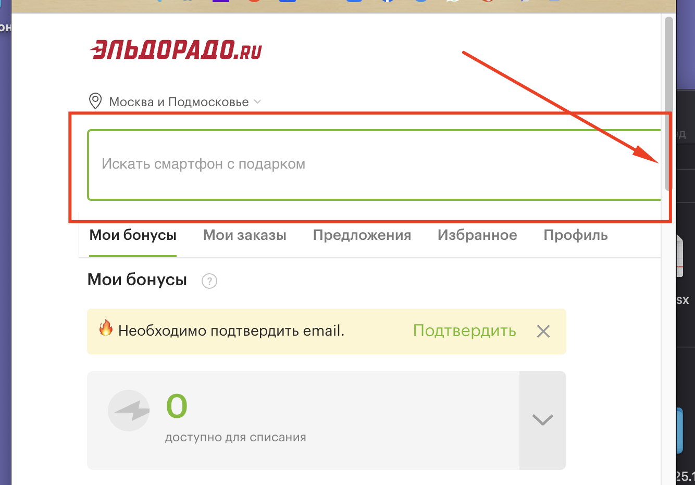 | - | - | - | - | - | - | Pass | - | -
4 | - | Some of the tabs is disappear | - | - | - | Some of the tabs from the header of the main page disappear when the size of the browser window is reduced. | - | - |  | - | - | - | - | - | - | Pass | - | -
 | - |  | - | - | - |  | - | - |  | - | - | - | - | - | - | Pass | - | -
5 | - | Incorrect values in the input in the cart | - | - | - | Input of the quantity of goods in the cart can take negative values / special characters for several seconds when inserted | - | - | 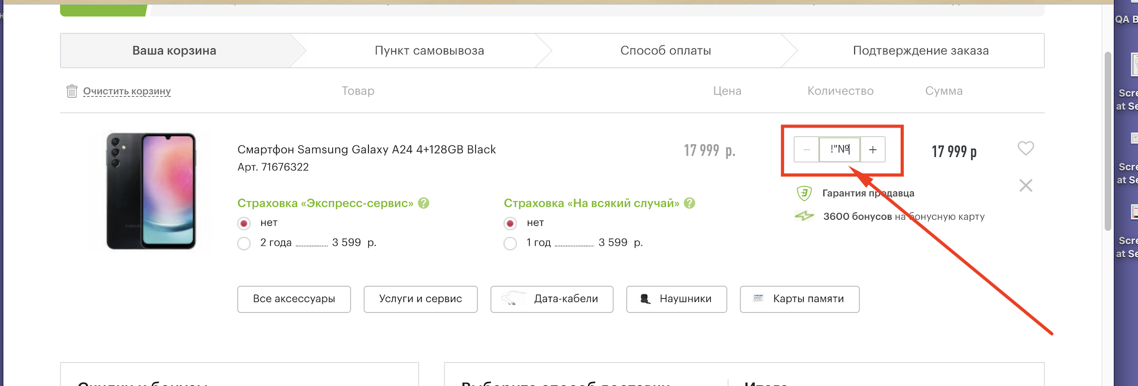 | - | - | - | - | - | - | Pass | - | -
6 | - | The search field accepts an empty value | - | - | - | When click on the search field, a field with the message “Ничего не найдено” immediately appears for a few seconds, and only then recommended products for the user appear. | - | - | 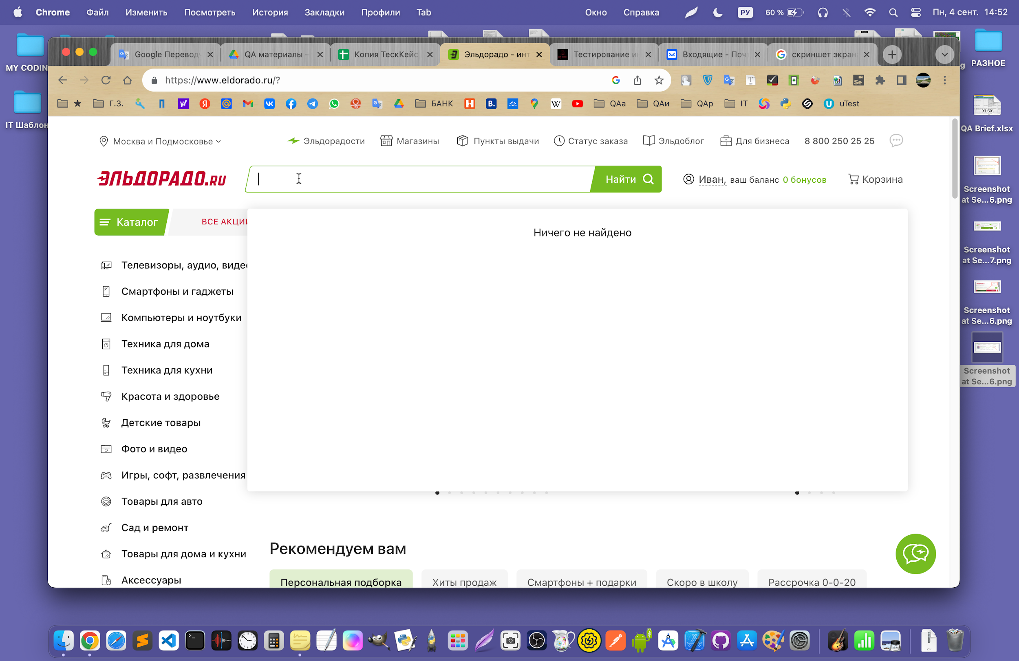 | - | - | - | - | - | - | Pass | - | -

